Exercise
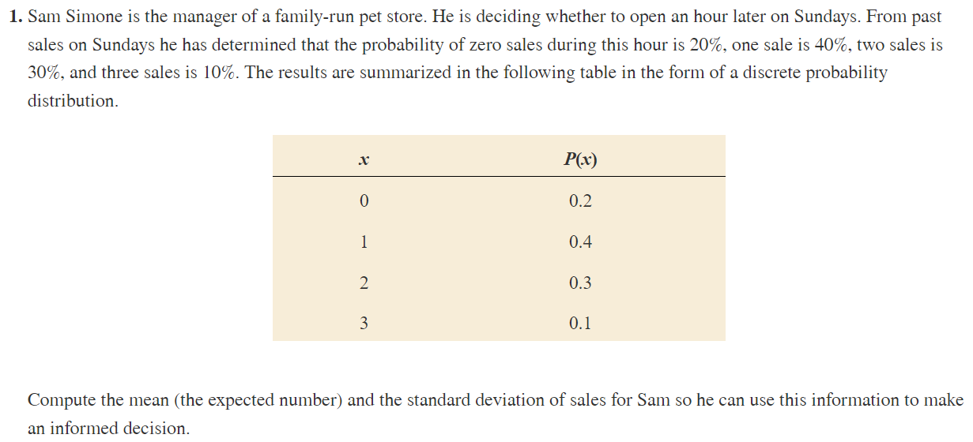

x | P(x) | xP(x) | x^2P(x)
0 | 0.2 | 0 | 0
1 | 0.4 | 0.4 | 0.4
2 | 0.3 | 0.6 | 1.2
3 | 0.1 | 0.3 | 0.9

Mean | 1.3
Var | 0.81
SD | 0.9

Exercise1
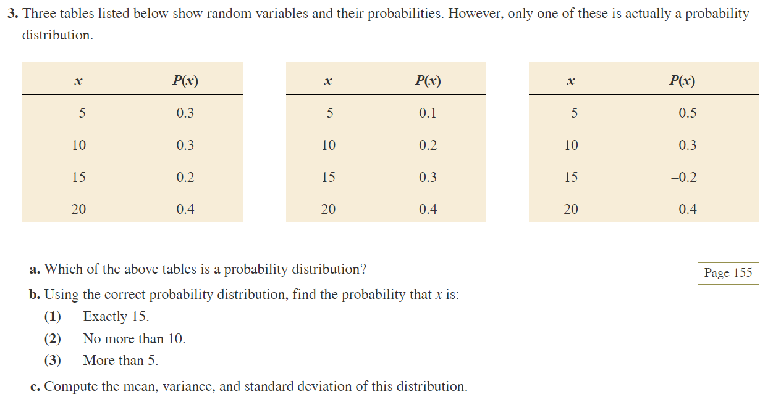

a) | The second one, because it is the only that the probabilities sum to 1

b1 | 0.3
b2 | 0.3 |  | x | P(x) | xP(x) | x^2P(x)
b3 | 0.9 |  | 5 | 0.1 | 0.5 | 2.5
 |  |  | 10 | 0.2 | 2 | 20
c) | Mean | 15 | 15 | 0.3 | 4.5 | 67.5
 | Var | 25 | 20 | 0.4 | 8 | 160
 | SD | 5

